Pivot Tables
Row Labels | Sum of Quantity
Badminton Racket Set | 22
Gaming Mechanical Keyboard | 22
Men's Hair Styling Gel | 24
Portable Power Bank | 29
Shin Guards – Adult | 26
Grand Total | 123

Row Labels | Sum of Quantity
Aguirre-Keller | 206
Alexander Group | 255
Bean, Jones and Park | 344
Benson-Elliott | 258
Grand Total | 1063

Row Labels | Sum of Quantity
David Arnold | 10
Debra Liu | 11
Earl Smith DDS | 10
Jay Patel | 11
Katherine Dorsey | 10
Nicholas Webb | 11
Rhonda Young | 10
Sarah Rodgers | 16
Grand Total | 89
Row Labels | Average of Unit_Price
Aguirre-Keller | 522.01988636
Alexander Group | 542.88637255
Bean, Jones and Park | 530.47291339
Benson-Elliott | 521.78561905
Grand Total | 529.54907583

Dasboard
ECOMMERCE SALES DASHBOARD

 | Total
Badminton Racket Set | 22
Gaming Mechanical Keyboard | 22
Men's Hair Styling Gel | 24
Portable Power Bank | 29
Shin Guards – Adult | 26
 | Total
Aguirre-Keller | 206
Alexander Group | 255
Bean, Jones and Park | 344
Benson-Elliott | 258

 | Total
David Arnold | 10
Debra Liu | 11
Earl Smith DDS | 10
Jay Patel | 11
Katherine Dorsey | 10
Nicholas Webb | 11
Rhonda Young | 10
Sarah Rodgers | 16
 | Total
Aguirre-Keller | 522.01988636
Alexander Group | 542.88637255
Bean, Jones and Park | 530.47291339
Benson-Elliott | 521.78561905

Summary
E-Commerce Sales Data Analysis – Summary

 | This project was completed using Microsoft Excel to analyze an e-commerce sales dataset.

 | First, the dataset was checked and cleaned. Missing values and formatting issues were identified and corrected where necessary. Screenshots were taken to show the data cleaning process.

 | CUSTOMER_DIM,PRODUCT_DIM,STORE_DIM,SALES_FACTS Are not Duplicates found

 | Next, XLOOKUP was used to connect data from different sheets such as Customer, Product, Store, and Sales tables. This helped create a combined dataset in a separate Xlookup sheet.

 | Descriptive statistics were then calculated using Excel formulas. Measures such as Mean, Median, Mode, Standard Deviation, Minimum, and Maximum were used to understand the data better.

 | Pivot Tables were created to summarize the dataset and identify important trends. The Pivot Tables were used to analyze:

 | Product performance
 | Store performance
 | Customer performance
 | Average product price

 | Data visualization was performed using Pivot Charts. Different chart types such as Column Chart, Pie Chart, Bar Chart, and Line Chart were created to present the data in a visual format.

 | An interactive Dashboard was developed using Pivot Charts and Slicers. The dashboard allows users to filter data and view sales information more effectively.

 | Screenshots of the data cleaning process, XLOOKUP implementation, descriptive statistics, Pivot Tables, and dashboard were included to demonstrate each step of the project.

 | Overall, Excel features such as XLOOKUP, Descriptive Statistics, Pivot Tables, Pivot Charts, Slicers, and Dashboard design were used to convert raw data into meaningful business insights.

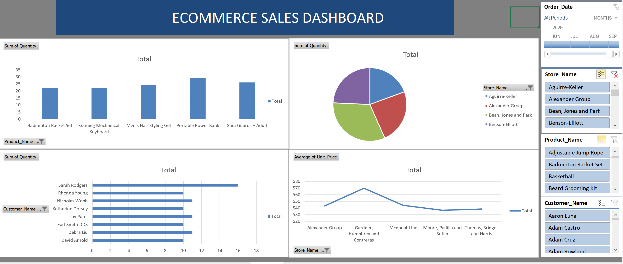

 | Future Analysis and Recommendations

 | From this dataset, it can be seen that different products, customers, and stores have different sales performance. Some products are sold more frequently, while some stores have higher sales than others.

 | In the future, this data can be used to:

 | Find the best-selling products.
 | Understand customer purchasing behavior.
 | Improve sales in low-performing stores.
 | Plan future marketing activities.
 | Predict future sales trends.

 | This analysis can help the business make better decisions and improve overall performance.

